Color Test
 |  |  | COMPANY NAME Address and Contact Details |  | COMPANY NAME Address and Contact Details |  |  |  |  |  | COMPANY NAME Address and Contact Details | COMPANY NAME Address and Contact Details |  |  |  |  | COMPANY NAME Address and Contact Details | COMPANY NAME Address and Contact Details | COMPANY NAME Address and Contact Details

 | Color Theory & Composition Test

 |  |  | SM Samarth Personal Details |  | Overview of SM Samarth's Color Report |  |  |  |  |  | SM Samarth's Wheel color composition | OD and CD Colors of SM Samarth |  |  |  |  | 8 Color composition of SM Samarth | 3 plus 1 Color Composition of SM Samarth | Feasibility Color composition for SM Samarth
Analysis for
8 Color composition
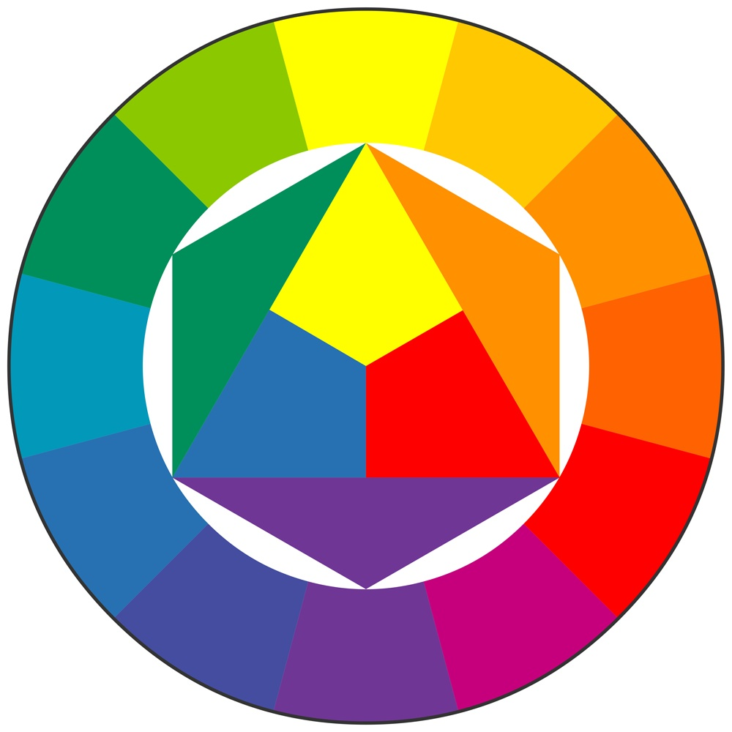
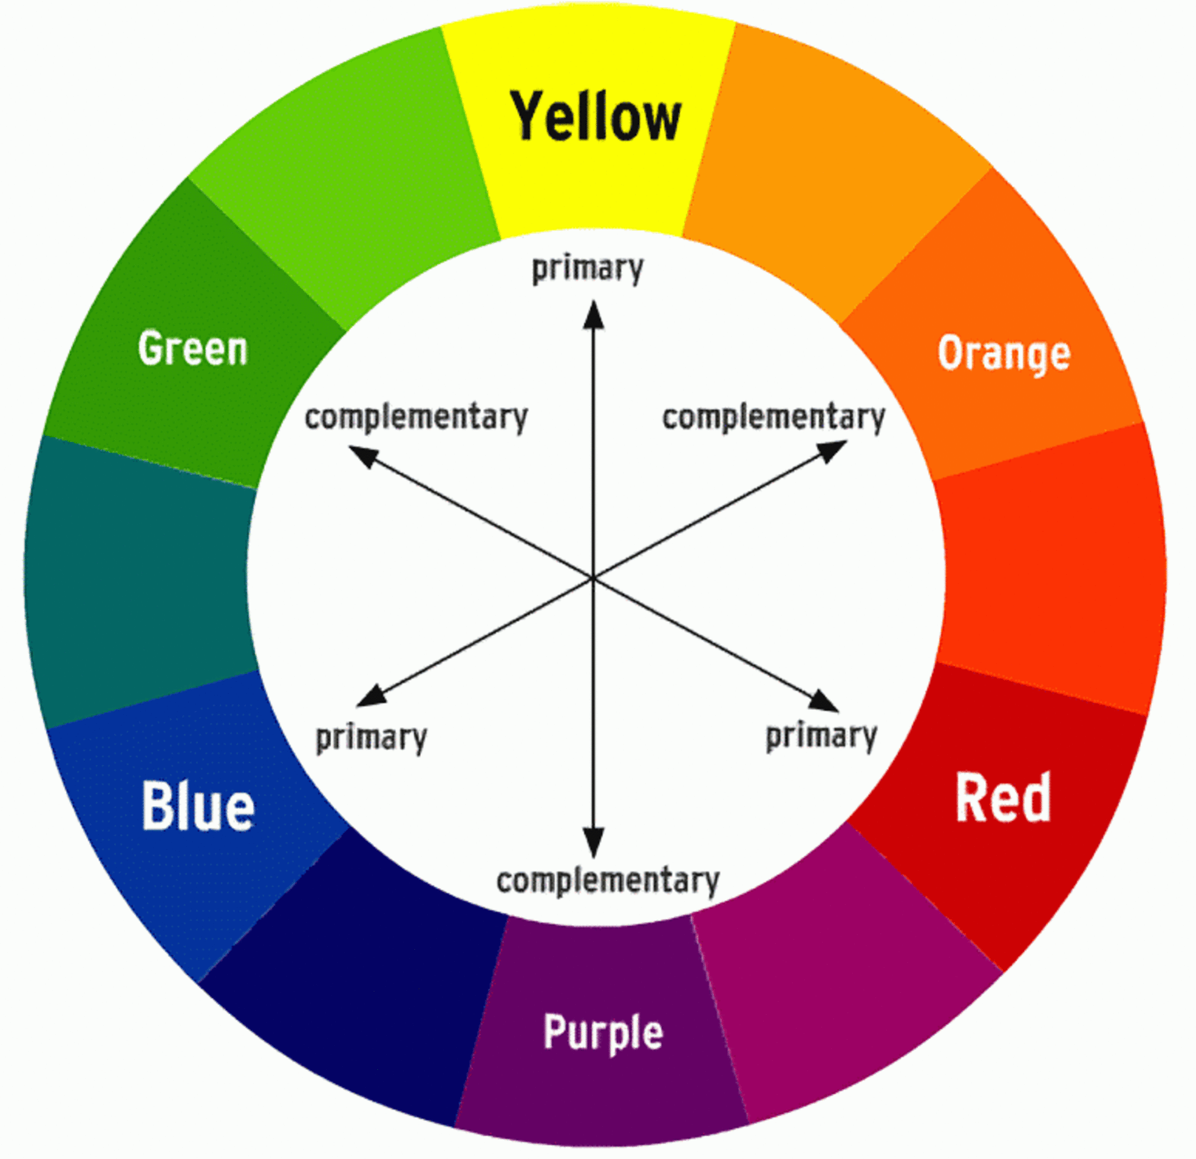
Logical | 13.0%
Linguistics | 15.0%
Intrapersonal | 15.3%
Interpersonal | 11.4%
Kinesthetic | 9.1%
Visual-Spatial | 13.7%
Naturalistic | 14.3%
Musical | 8.1%
RMG | 12.1
YMRB | 12.05
RGMOP | 12.6
POMGR | 12.6
RYOG | 12.42
PMR | 13
RGP | 10.3
RGY | 11.7
RGP | 10.3
RGYP | 11
GYR | 11.7
PRO | 13.1
MOR | 13.3
MPB | 11.5
BPM | 11.5
YMP | 11.6
RGP | 10.3
MPB | 11.5
OPM | 13.7
MROP | 13.21
MROP


Blue
 |  |  |  |  |  |  |  |  |  |  |  |  |  |  |  |  |  |  | Category | Feasibility | Relevant Color Compo |  | Post Processing
 |  |  |  |  |  |  |  |  |  |  |  |  |  | OD Colors |  | CD Colors |  |  | Blue Ray | ** | Blue | ** | PTM SEM CDVR CYZ REF
 |  |  | Name: | SM Samarth | Red |  | 13.0% | Purple |  | 9.1%
OPM
 |  |  |  |  |  |  |  |  |  |  |  |  |  |  |  |  |  |  |  |  | Purple | **
46.9%
53.1%
 |  |  | Guardian's Name: | MM Bharat | Maroon |  | 15.0% | Yellow |  | 13.7%
MPB
 |  |  |  |  |  |  |  |  |  |  |  |  |  |  |  |  |  |  |  |  | Yellow | ****
Green
 |  |  | Date of Birth: | 5-Feb-1984 | Orange |  | 15.3% | Pink |  | 14.3%
RGP
 |  |  |  |  |  |  |  |  |  |  |  |  |  |  |  |  |  |  | Green Ray | *** | Green | *** | AE AR EOZP GNO WLR VFA
 |  |  | Gender: | Male | Green |  | 11.4% | Blue |  | 8.1%
YMP
Yellow
 |  |  | Contact No.: | 9886266333 |  |  |  |  |  |  |  |  |  |  |  |  |  |  |  |  | Purple | **
BPM
LFT & RFT Dominance
MPB
Purple
 |  |  | Email ID: | test@gmail.com |  |  |  |  |  |  |  | | | OD Driven Colors |  | CD Driven Colors
 |  |  |  |  |  |  |  |  |  |  |  |  |  |  |  |  |  |  |  |  | Red | ***
 |  |  | Address: | No.2955/E, 1st Floor, Vijaynagar,Bangalore
MOR
 |  |  |  |  |  |  |  |  |  |  |  | Characteristics | Highly OD Determined |  | Highly CD Imaginative |  |  |  | Ed Light Ray | **** | Maroon | ***** | APD FDID CEC SPPD
 |  |  |  |  | Lft Color |  |  | Rft Color
Disclaimer: The results obtained in this report are based on analysis of drown Color Theory samples submitted to us by the individual out of his/her will and consent to undergo such analysis, or the student under supervision and permission of his parents or guardian. The content of this analysis are only for reference basis on the scientific research which is under process. The decision to follow any instruction, advice, suggestion or recommendation completely depends upon you and you will be solely responsible for the consequences of the same. We as an organization or any of its representatives are not responsible for any consequences under any circumstance. Before taking any crucial decision please refer to your family doctor.
Please note that this report can be best interpreted only by drown certified analyst
PRO
 |  |  |  |  |  |  |  |  |  |  |  |  | High level OD Levels |  | High level on CD
Pink
 |  |  |  |  |  |  |  |  |  |  |  |  |  |  |  |  |  |  |  |  | Pink | ****
GYR
 |  |  |  |  |  |  |  |  |  |  |  |  | Bold Color Path |  | Highly cautious on CD Colors
RGYP
 |  |  |  |  |  |  |  |  |  |  |  |  |  |  |  |  |  |  |  |  | Blue | **
 |  |  |  |  |  |  |  |  |  |  |  |  | Let's try it it out with OD |  | Let's try out with CD Colors
Orange-Purl | 21.8%
Red-MR | 22.6%
Purple-GRN | 16.6%
Blue-MR | 18.7%
Yellow-GRN | 20.3%
Orange
 |  |  |  |  |  |  |  |  |  |  |  |  |  |  |  |  |  |  | ENR Ray caught | **** | Yellow | **** | AEM EEP EEYR MEKL ECBT CEYD
RGP
 |  |  |  |  |  |  |  |  |  |  |  |  | They tend to make OD Plan |  | They tend to make CDPlan
RGY
 |  |  |  |  | 54.72% |  |  | 45.28% |  |  |  | Remedies | Help them set Wheel Color Plan |  | Help them set 8 Colore Comp Plan |  |  |  |  |  | Red | ***
Maroon
RGP
 |  |  |  |  |  |  |  |  |  |  |  |  | Give Reasons to Set OD Colors |  | Give Reasons to Set CD Colors |  |  |  |  |  | Green | ***
PMR
Primary Colors
Color Shades
Red
RYOG
 |  |  |  |  |  |  |  |  |  |  |  |  |  |  |  |  |  |  | BNB Light Ray | ***** | Orange | ***** | GAW ERS SRWR RHPL CPAP GCPM
 |  |  |  |  |  |  |  |  |  |  |  |  | They learn most effectively when they are actively Plan od OD Colors |  | They learn most effectively when they are actively Plan od CD Colors

POMGR
RGMOP
 |  |  |  |  |  |  |  |  |  |  |  |  |  |  |  |  |  |  |  |  | Maroon | *****
 |  |  |  |  | Orange | 29.56% |  | Green & Yellow | 35.73%
 |  | SM Samarth
 |  |  |  |  |  |  |  |  |  |  |  |  |  |  |  |  |  |  |  |  | Pink | ****
POMGR
 |  |  |  |  | Pink | 27.67% |  | Maroon & Blue | 32.95%
 |  |  |  |  |  |  |  |  |  |  |  |  |  |  |  |  |  |  | LFS Lab Ray | **** | Green | *** | BPRM MTDK BAPR ZGED ARML
YMRB
 |  |  |  |  | Red | 25.16% |  | Purple & Green | 31.32% |  |  |  |  |  |  |  |  |  |  |  | Purple | **
RMG
COMPANY NAME Address and Contact Details |  |  |  |  |  |  |  |  |  |  |  |  |  |  |  |  |  |  |  |  | Red | ***
 |  |  |  |  | Purple | 17.61%

